Executive Summary
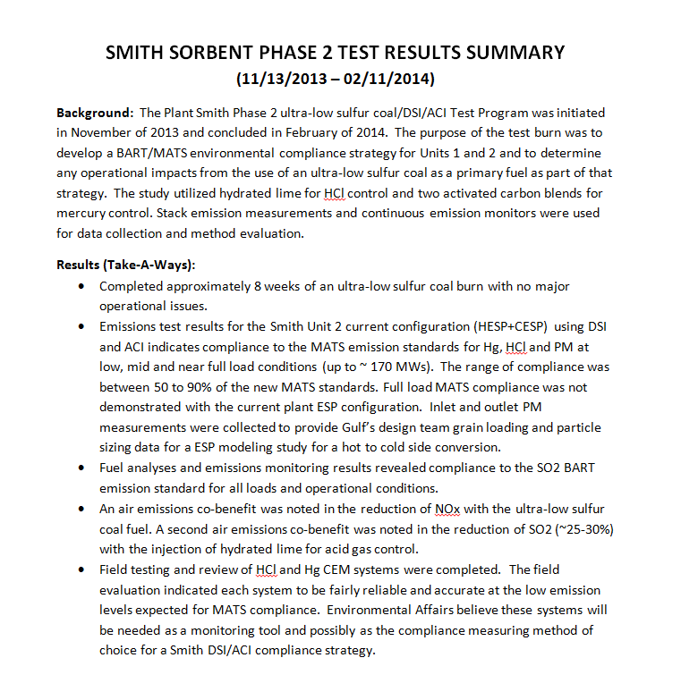
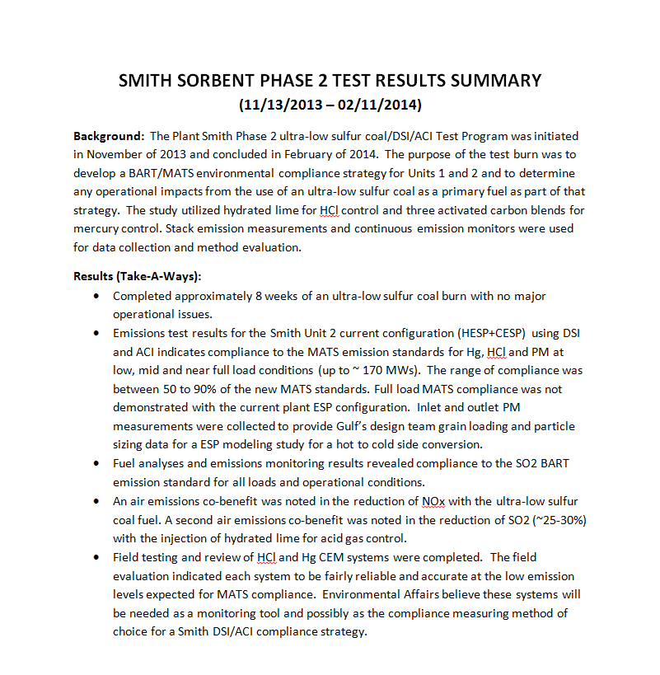

Hg Control Graph
 | total sorbent |  | total carbon |  | BASF + PAC, total carbon |  | BASF + PAC, total sorbent
250 | 1.44 | 90 | 1.44 | 90 | 1.44 | 250 | 1.44
300 | 0.98 | 140 | 0.98 | 140 | 0.98 | 300 | 0.98
200 | 1.71 | 80 | 1.71 | 80 | 1.71 | 200 | 1.71
250 | 1.65 | 90 | 1.65 | 90 | 1.65 | 250 | 1.65
275 | 1.63 | 115 | 1.63 | 115 | 1.63 | 275 | 1.63
350 | 1.24 | 150 | 1.24 | 150 | 1.24 | 350 | 1.24
300 | 1.2 | 140 | 1.2 | 140 | 1.2 | 300 | 1.2
325 | 0.79 | 165 | 0.79 | 165 | 0.79 | 325 | 0.79
125 | 1 | 125 | 1 | 125 | 1 | 125 | 1
300 | 1.41 | 60 | 1.41
325 | 1.37 | 65 | 1.37
400 | 1.34 | 80 | 1.34

